(18) housing tenure
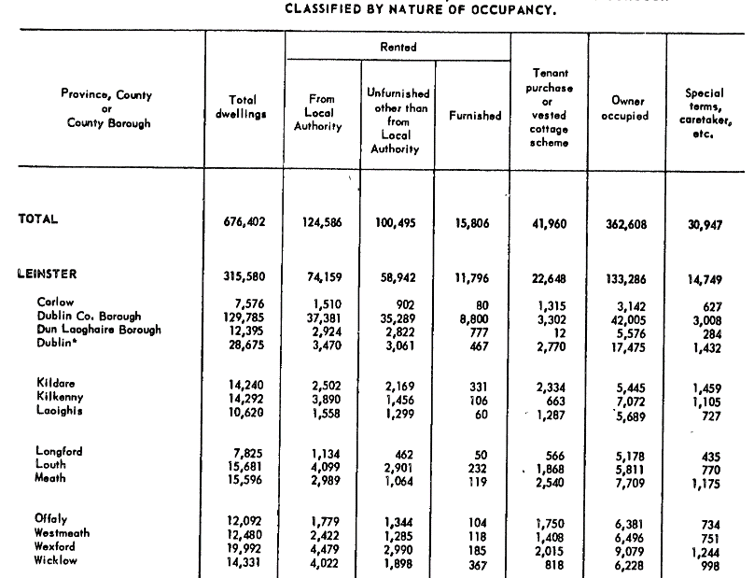
E1015: Private Households in Permanent Housing Units 2011 to 2016 by Type of Private Accommodation, County and City, Nature of Occupancy and CensusYear

Private Households in Permanent Housing Units 2011 to 2016 (Number) by |  |  |  |  |  |  | STACKED BAR CHART
Census Year, Type of Private Accommodation, Nature of Occupancy and
County and City
Need to reconcile categories across years
 |  |  | State | Dublin City | Dún Laoghaire-Rathdown | Fingal | South Dublin | Kildare | Meath | Wicklow

2016
 | All households
 |  | All types of occupancy | 1,697,665 | 211,591 | 78,568 | 96,607 | 92,393 | 73,348 | 63,861 | 49,005
 |  | Owner occupied with loan or mortgage | 535675 | 48209 | 24459 | 39983 | 34267 | 30295 | 27678 | 17790
 |  | Owner occupied without loan or mortgage | 611877 | 57064 | 29830 | 25364 | 28593 | 22511 | 20987 | 17315
 |  | Rented from private landlord | 309728 | 62865 | 15906 | 20558 | 15133 | 12629 | 9332 | 7237
 |  | Rented from a Local Authority | 143178 | 24654 | 4606 | 5697 | 9727 | 4497 | 3244 | 4588
 |  | Rented from a Voluntary Body | 16765 | 3274 | 761 | 761 | 1194 | 742 | 301 | 203
 |  | Occupied free of rent | 27440 | 2761 | 1123 | 781 | 676 | 1061 | 903 | 805
 |  | Not stated | 53002 | 12764 | 1883 | 3463 | 2803 | 1613 | 1416 | 1067

2011
 | All households
 |  | All types of occupancy | 1,649,408 | 207,847 | 75,786 | 92,951 | 89,877 | 70,504 | 61,922 | 47,579
 |  | Owner occupied with loan or mortgage | 583148 | 53054 | 26305 | 43811 | 37405 | 32476 | 29817 | 19234
 |  | Owner occupied without loan or mortgage | 566776 | 54498 | 27261 | 21450 | 25310 | 19514 | 18724 | 15471
 |  | Rented from private landlord | 305377 | 66613 | 15152 | 20029 | 15141 | 12178 | 8489 | 7087
 |  | Rented from a Local Authority | 129033 | 23949 | 4444 | 4947 | 9194 | 3801 | 2908 | 4225
 |  | Rented from a Voluntary Body | 14942 | 2728 | 566 | 667 | 1057 | 655 | 261 | 175
 |  | Occupied free of rent | 25436 | 2419 | 997 | 725 | 594 | 950 | 973 | 732
 |  | Not stated | 24696 | 4586 | 1061 | 1322 | 1176 | 930 | 750 | 655

 |  |  | State | Dublin City | Dún Laoghaire-Rathdown | Fingal | South Dublin | Kildare | Meath | Wicklow
2006
 |  | All types of occupancy | 1462296 | 190711 | 68375 | 80085 | 80358 | 60578 | 53575 | 42472
 |  | Owner occupied with loan or mortgage | 569966 | 55225 | 27701 | 44412 | 39313 | 31013 | 28409 | 18717
 |  | Owner occupied without loan or mortgage | 498432 | 49809 | 23968 | 16989 | 20478 | 15788 | 15789 | 13456
 |  | Being purchased from a Local Authority | 23547 | 5470 | 921 | 874 | 1497 | 833 | 522 | 555
 |  | Rented from a Local Authority | 105509 | 22597 | 3827 | 4149 | 7470 | 2978 | 2321 | 3525
 |  | Rented from a Voluntary Body | 50480 | 9297 | 1665 | 2442 | 2257 | 1900 | 1182 | 1094
 |  | Private rented unfurnished | 16621 | 3186 | 1093 | 677 | 518 | 650 | 447 | 583
 |  | Private rented furnished or part furnished | 128696 | 33395 | 6482 | 6930 | 5632 | 4472 | 2669 | 2611
 |  | Occupied free of rent | 21701 | 2172 | 939 | 654 | 516 | 1010 | 927 | 726
 |  | Not stated | 47344 | 9560 | 1779 | 2958 | 2677 | 1934 | 1309 | 1205

2002
 |  | All types of occupancy | 1279617 | 180661 | 64071 | 60460 | 73218 | 50076 | 41335 | 36138
 |  | Owner occupied with loan or mortgage | 484774 | 53120 | 26975 | 34703 | 38518 | 25963 | 20351 | 15376
 |  | Owner occupied without loan or mortgage | 461166 | 47519 | 22472 | 14035 | 17965 | 13592 | 13927 | 12341
 |  | Being purchased from a Local Authority | 44783 | 10817 | 1729 | 1434 | 3055 | 1499 | 1011 | 1068
 |  | Rented from a Local Authority | 88206 | 19586 | 3570 | 3096 | 6427 | 2295 | 1751 | 2926
 |  | Private rented unfurnished | 25883 | 5335 | 1449 | 768 | 749 | 1116 | 610 | 801
 |  | Private rented furnished or part furnished | 115576 | 32528 | 5763 | 4173 | 4066 | 3472 | 1813 | 2156
 |  | Occupied free of rent | 21560 | 2213 | 894 | 575 | 525 | 890 | 922 | 697
 |  | Not stated | 37669 | 9543 | 1219 | 1676 | 1913 | 1249 | 950 | 773

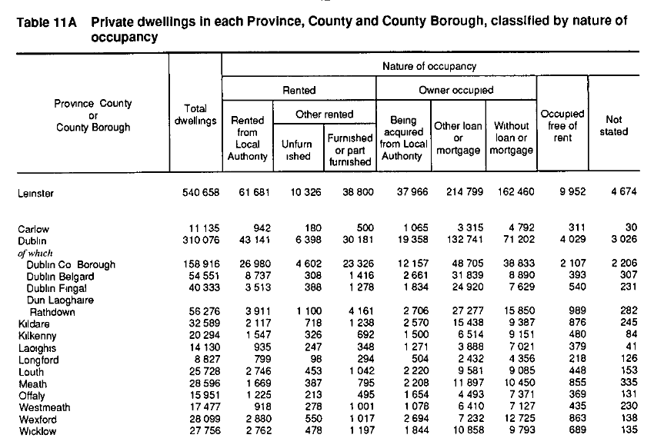
1991

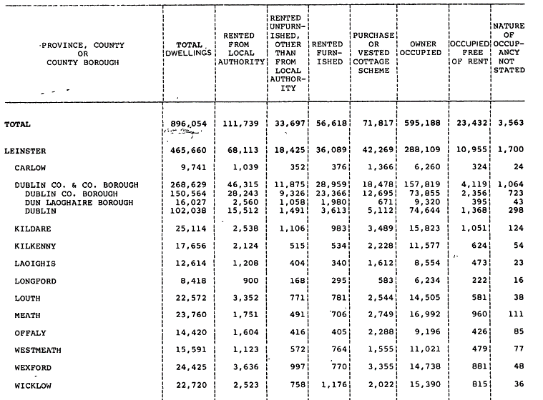
1981

1971
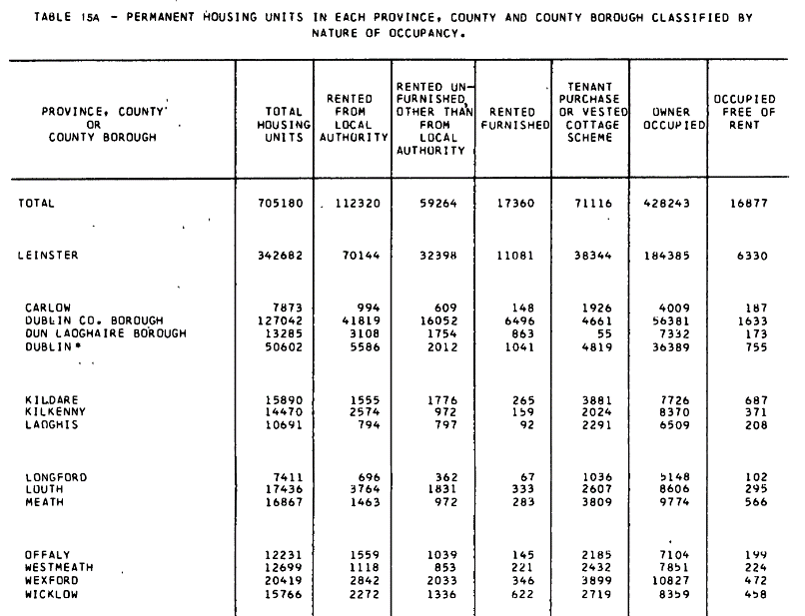

1961

(22) Property related tax
Property Related Tax Revenue

35431 | 858.56336269 | 4.7371626721
35796 | 1110.0461765 | 5.4201473462
36161 | 1596.0061186 | 6.7727821711
36526 | 2132.0735813 | 7.875567307
36892 | 2402.6642802 | 8.6039902603
37257 | 2395.7332672 | 8.1782387764
37622 | 3750.9907616 | 11.684237491
37987 | 4641.6681053 | 13.045355963
38353 | 5949.4991125 | 15.15641492
38718 | 8084.4846028 | 17.752881273
39083.13333 | 6062.9820112 | 12.831979536
39448.37576 | 2596.1946262 | 6.3669417904
2009E | 911.9982505 | 2.7600346533
Davy Research
 | Property Related Tax Revenue | Total Tax Revenue | % Property Related
 | €m
1997-01-01 | 859 | 18124 | 4.74
1998-01-01 | 1110 | 20480 | 5.42
1999-01-01 | 1596 | 23565 | 6.77
2000-01-01 | 2132 | 27072 | 7.88
2001-01-01 | 2403 | 27925 | 8.60
2002-01-01 | 2396 | 29294 | 8.18
2003-01-01 | 3751 | 32103 | 11.68
2004-01-01 | 4642 | 35581 | 13.05
2005-01-01 | 5949 | 39254 | 15.16
2006-01-01 | 8084 | 45539 | 17.75
2007-01-01 03:12:00 | 6063 | 47249 | 12.83
2008-01-01 09:01:05 | 2596 | 40776 | 6.37
2009E | 912 | 33043 | 2.76

courtesy of Rossa White, Davy
Department for Finance
http://www.finance.gov.ie/documents/publications/other/2009/BES2009.pdf

